1
 |  | Pressure Test Report |  | REPORT NO |  | TR-201229-1111 |  |  | Pressure Test Report |  | REPORT NO |  | TR-201229-1111
 |  |  |  | DATE |  | 2020.12.00 |  |  |  |  | DATE |  | 2020.12.00
Customer |  |  | Item Name |  | CMS TANK |  | Customer |  |  | Item Name |  | CMS TANK
Item No. |  | KSM01-30 | DWG No |  | KSM01-30-01 |  | Item No. |  | KSM01-30 | DWG No |  | KSM01-30-01
Test Type |  | ■Hydrostatic □Pneumatic □Vacuum |  |  |  |  | Test Type |  | ■Hydrostatic □Pneumatic □Vacuum
TEST CONDITION |  |  |  |  |  |  | TEST CONDITION
Serial Number |  | PSA-K111-B |  |  |  |  | Serial Number |  | PSA-K111-A
 |  | Specification |  | Test |  |  |  |  | Specification |  | Test
Test Source |  | Water |  | Water |  |  | Test Source |  | Water |  | Water
Design Press. | (Kg/cm²G) | 9.8 |  | CHAMBER |  |  | Design Press. | (Kg/cm²G) | 9.8 |  | CHAMBER
 | (psiG) |  |  | 9.8 |  |  |  | (psiG) |  |  | 9.8
Test Press. | (Kg/cm²G) | min 14.7 |  | 15 |  |  | Test Press. | (Kg/cm²G) | min 14.7 |  | 15
 | (psiG) |  |  |  |  |  |  | (psiG)
Test Temp. (Cº) |  | - |  | 10 |  |  | Test Temp. (Cº) |  | - |  | 10
Helding Time (Min.) |  | - |  | 60 |  |  | Helding Time (Min.) |  | - |  | 60
Test Date |  | - |  | 2020.12.29 |  |  | Test Date |  | - |  | 2020.12.29
Test Result |  | ACCEPTED |  |  |  |  | Test Result |  | ACCEPTED
Pressure Gauge S/N |  | 012119/00788667 |  |  |  |  | Pressure Gauge S/N |  | 012387/00788680
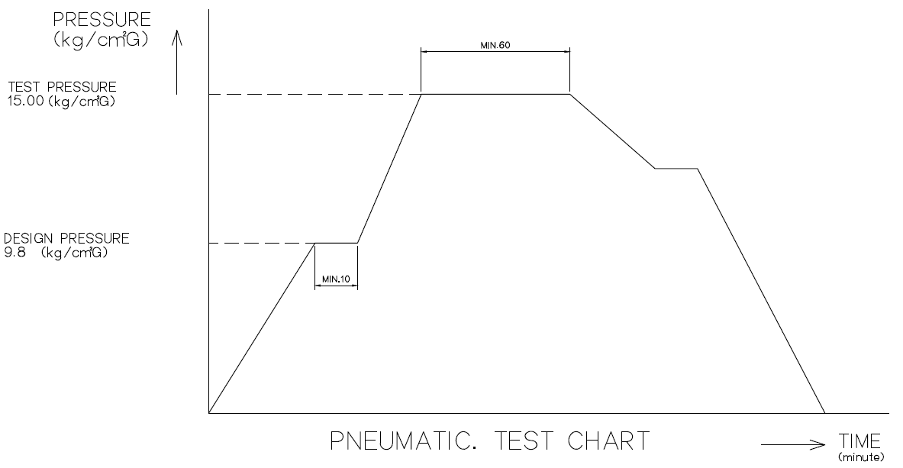

Worked by: |  |  |  | Client by: |  |  | Worked by: |  |  |  | Client by:
Prepared by: |  |  |  |  |  |  | Prepared by:
Approved by: |  |  |  |  |  |  | Approved by:

 |  | Pressure Test Report |  | REPORT NO |  | TR-201229-1111
 |  |  |  | DATE |  | 2020.12.00
Customer |  |  | Item Name |  | N2 RECEIVER TANK
Item No. |  | KSM01-30A | DWG No |  | KSM01-30A-01
Test Type |  | ■Hydrostatic □Pneumatic □Vacuum
TEST CONDITION
Serial Number |  | PSA-K111-C
 |  | Specification |  | Test
Test Source |  | Water |  | Water
Design Press. | (Kg/cm²G) | 9.8 |  | CHAMBER
 | (psiG) |  |  | 9.8
Test Press. | (Kg/cm²G) | min 14.7 |  | 15
 | (psiG)
Test Temp. (Cº) |  | - |  | 10
Helding Time (Min.) |  | - |  | 60
Test Date |  | - |  | 2020.12.29
Test Result |  | ACCEPTED
Pressure Gauge S/N |  | 012283/00788637

Worked by: |  |  |  | Client by:
Prepared by:
Approved by:

